Source
https://doft.gov.vu/images/2018/Vol-1--2-Budget-Book-2018-English.pdf

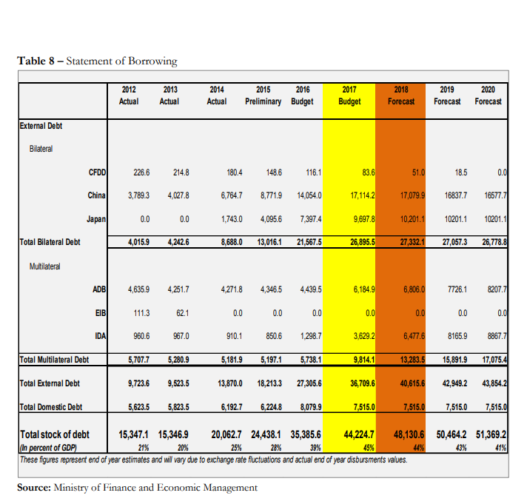

 |  |  |  |  |  |  |  | Debt figures consolidated July 2019, in Vatu

 |  |  |  |  |  |  |  | Creditor | End 2014 | End 2015 | End 2016 | End 2017 | End 2018

 |  |  |  |  |  |  |  | AFD (Agence Française de Développement) | 166,581,041 | 128,974,917 | 94,242,077 | 68,515,924 | 33,408,249
 |  |  |  |  |  |  |  | China Eximbank | 3,820,068,602 | 12,271,222,386 | 14,400,893,834 | 16,780,018,342 | 16,713,137,879
 |  |  |  |  |  |  |  | JICA (Japan International Cooperation Agency) | 238,786,254 | 1,675,590,180 | 4,252,833,323 | 6,901,368,811 | 8,371,252,305
 |  |  |  |  |  |  |  | Total Bilateral | 4,225,435,897 | 14,075,787,483 | 18,747,969,234 | 23,749,903,077 | 25,117,798,433
 |  |  |  |  |  |  |  | Total Bilateral (% of nominal GDP) | 5.4% | 17.0% | 21.5% | 24.8% | 23.8%

 |  |  |  |  |  |  |  | ADB | 3,976,699,126 | 4,262,563,112 | 4,686,455,340 | 5,017,158,005 | 5,065,940,252
 |  |  |  |  |  |  |  | World Bank-IDA | 899,861,472 | 1,007,909,766 | 1,363,242,855 | 3,123,626,710 | 6,455,035,969
 |  |  |  |  |  |  |  | Total Multilateral | 4,876,560,598 | 5,270,472,878 | 6,049,698,195 | 8,140,784,715 | 11,520,976,221
 |  |  |  |  |  |  |  | Total Multilateral (% of nominal GDP) | 6.2% | 6.4% | 6.9% | 8.5% | 10.9%

 |  |  |  |  |  |  |  | External Government Guarantees | 1,890,690,793 | 1,890,690,793 | 1,890,690,793 | 1,890,690,793 | 1,890,690,793
 |  |  |  |  |  |  |  | Total External Debt | 10,992,687,288 | 21,236,951,154 | 26,688,358,222 | 33,781,378,585 | 38,529,465,447
 |  |  |  |  |  |  |  | Total External Debt (% of nominal GDP) | 13.9% | 25.6% | 30.6% | 35.3% | 36.5%

 |  |  |  |  |  |  |  | Domestic Bonds | 6,192,710,000 | 6,224,443,000 | 7,777,009,380 | 7,882,159,380 | 6,266,504,380
 |  |  |  |  |  |  |  | Domestic Government Guarantees | 1,000,000,000 | 1,000,000,000 | 1,040,000,000 | 1,040,000,000 | 1,040,000,000
 |  |  |  |  |  |  |  | Total Domestic Debt | 7,192,710,000 | 7,224,443,000 | 8,817,009,380 | 8,922,159,380 | 7,306,504,380
 |  |  |  |  |  |  |  | Total Domestic Debt (% of nominal GDP) | 9.1% | 8.7% | 10.1% | 9.3% | 6.9%

 |  |  |  |  |  |  |  | Total Public Debt | 18,185,397,288 | 28,461,394,154 | 35,505,367,602 | 42,703,537,965 | 45,835,969,827
 |  |  |  |  |  |  |  | Total Public Debt (% of nominal GDP) | 20.7% | 32.1% | 38.5% | 42.6% | 41.7%

Debt Repayment Schedule
 |  |  |  |  |  |  | Net lending/borrowing in VT millions
Domestic Debt Servicing |  |  |  |  |  |  | GFS Code | GFS Description | Total 2014 | Total 2015 | Total 2016 | Total 2017 | Total 2018
 |  |  |  |  |  |  | NLB | Net lending / borrowing (1-2+NOBz-31) | 771.113141 | 6207.20536 | 6080.139294 | -1137.9940168 | 6418.7576425
 | 2014 | 2015 | 2016 | 2017 | 2018 | 2019
1) Total Domestic Interest | 571,763,109 | 673,049,801 | 876,378,036 | 373,639,084 | 921,010,414 | 439,055,278
2) Total Domestic Principal | 999,950,000 | 944,520,000 | 1,123,370,000 | 1,031,610,000 | 1,615,655,000 | 672,893,000

3) Total Domestic Payments | 1,571,713,109 | 1,617,569,801 | 1,999,748,036 | 1,405,249,084 | 2,536,665,414 | 1,111,948,278

External Debt Servicing

4) Total External Interest | 112,280,168 | 177,887,780 | 400,817,017 | 357,542,868 | 365,757,949 | 409,050,000
5) Total External Principal | 572,893,631 | 557,364,286 | 557,854,287 | 546,979,592 | 1,563,641,815 | 553,500,000

6) Total External Payments | 685,173,799 | 735,252,066 | 958,671,304 | 904,522,460 | 1,929,399,764 | 962,550,000

Total Debt Servicing

7) Total Interest | 684,043,277 | 850,937,581 | 1,277,195,053 | 731,181,952 | 1,286,768,363 | 848,105,278
8) Total Principal | 1,572,843,631 | 1,501,884,286 | 1,681,224,287 | 1,578,589,592 | 3,179,296,815 | 1,226,393,000

9) Total Debt Servicing | 2,256,886,908 | 2,352,821,867 | 2,958,419,340 | 2,309,771,544 | 4,466,065,178 | 2,074,498,278

Total Debt Stock

11) Stock Of Domestic Debt | 7,192,710,000 | 7,224,443,000 | 8,817,009,380 | 8,922,159,380 | 7,306,504,380 | 5,593,611,380

12) Stock Of External Debt | 10,992,687,288 | 21,236,951,154 | 26,688,358,222 | 33,781,378,585 | 38,529,465,447 | 41,731,262,082

13) Total Stock Of Debt | 18,185,397,288 | 28,461,394,154 | 35,505,367,602 | 42,703,537,965 | 45,835,969,827 | 47,324,873,462

