Source
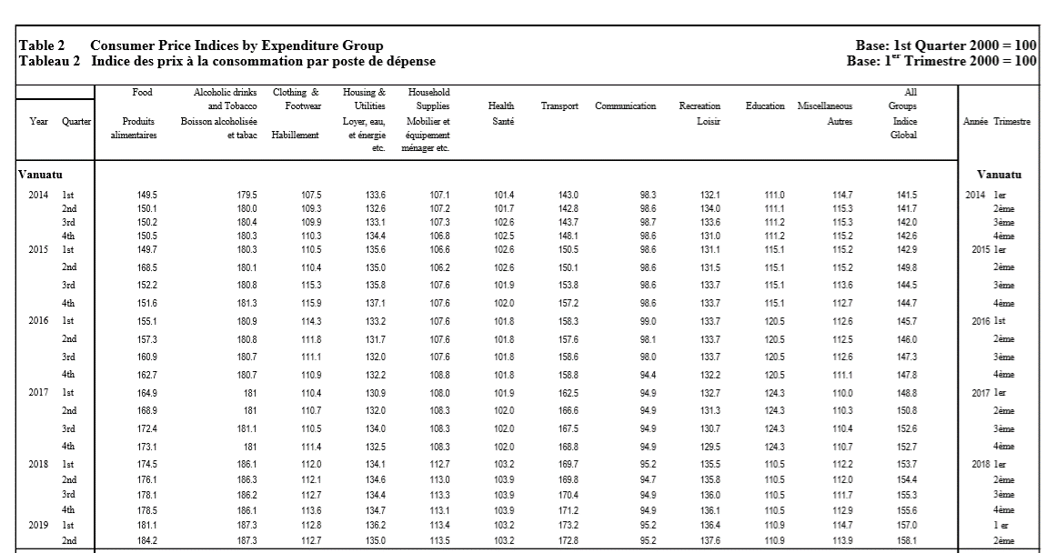
Quarterly Highlights: CPI (Page 5 Table 2)

