Source
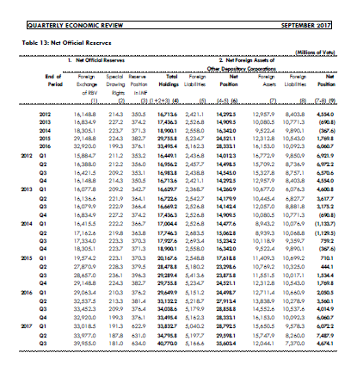
Quarterly Economic Review

